Disclaimer


Alberta Energy Outlook 2025 (ST98)
Release Date: June 2025
Crude Bitumen – Statistics and Data

Copyright and Permission to Reproduce
Information on this file was produced and/or compiled by the Alberta Energy Regulator (AER) for the purpose of providing access to information regarding the energy resources of the province of Alberta.
Noncommercial or Educational Reproduction
Information on this file has been posted with the intent that it be readily available for personal and public noncommercial (educational) use. The information may be reproduced, in whole or in part and by any means, without charge or further permission from the AER. We ask only that users exercise due diligence to ensure the accuracy of the materials reproduced; the AER be identified as the source of the materials; and the reproduction not be presented as an official version of the AER material, or as having been made in affiliation with or with the endorsement of the AER.
Commercial Reproduction
Reproduction of multiple copies of materials on this file, in whole or in part, for the purposes of commercial redistribution is prohibited except with prior written permission from the AER. To obtain permission to reproduce materials on this file for commercial purposes please contact
AER Communications, Web Services:
Suite 1000, 250 – 5 Street SW
Calgary, Alberta T2P 0R4
Canada
Inquiries: 1-855-297-8311
Inquiries@aer.ca
Disclaimer
The information presented in this document is for general information purposes. It is believed to represent the best data available to the AER at this time but its accuracy is not guaranteed. The AER makes no representations, warranties, or guarantees, expressed or implied as to the accuracy, reliability, or currency of the information contained herein or that it will be suitable for any use. The AER accepts no responsibility whatsoever for any inaccuracy, error, or omissions in the information. The AER shall not be responsible for any losses or costs incurred by you or anyone else as a result of the use, conversion, publication, transmission, installation, or improvement of the information, even if such losses or costs are foreseeable. Any user intending to rely upon this information is advised to confirm both the accuracy of the information and whether a more recent version of the information is available.

Figures
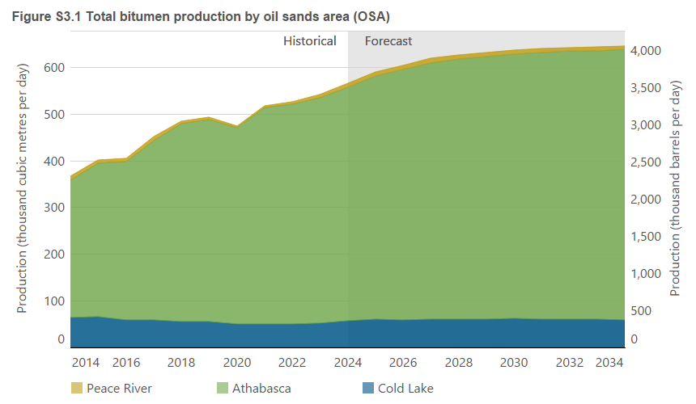
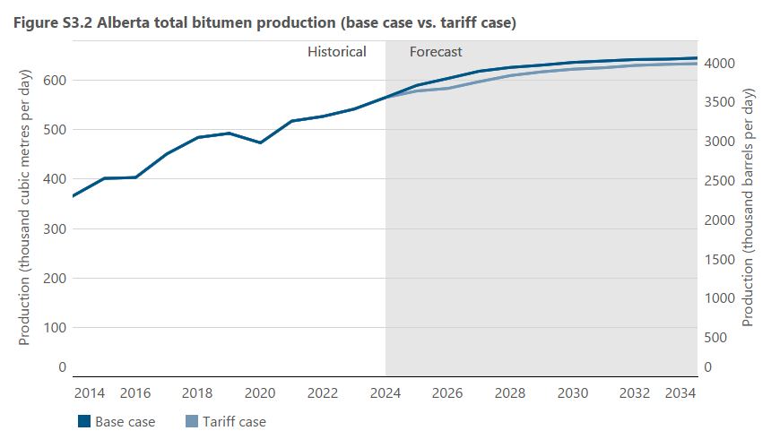
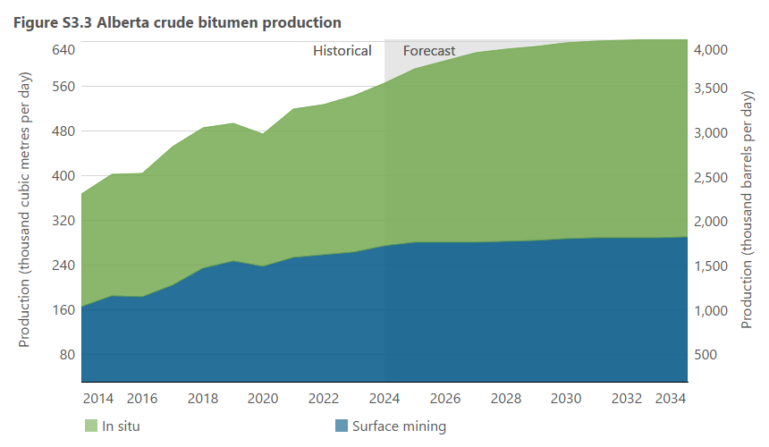
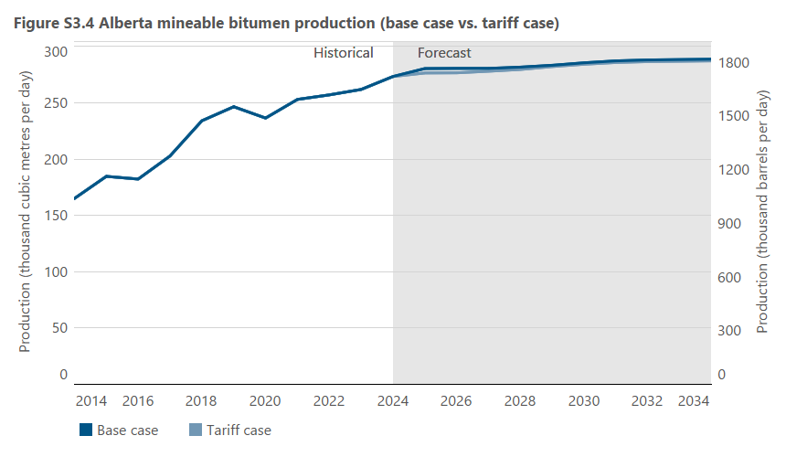
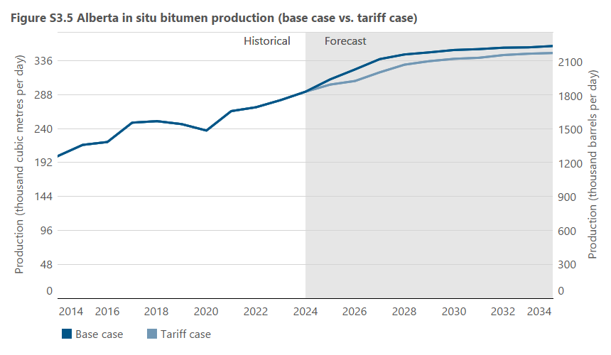
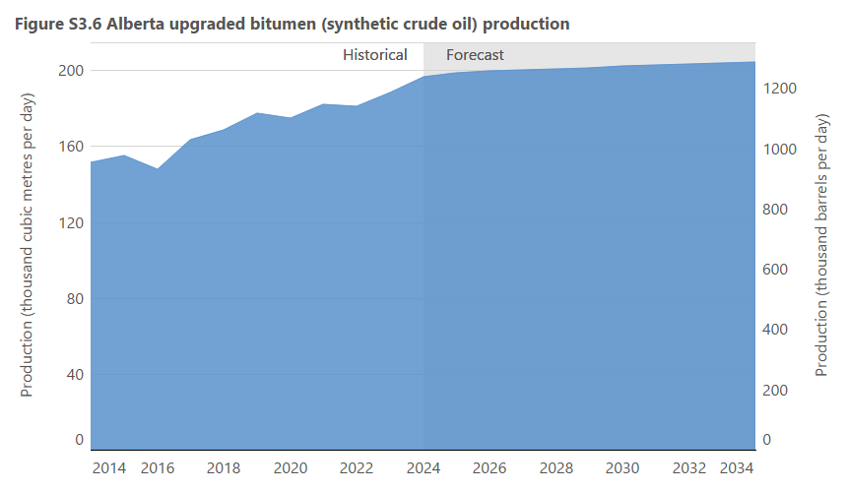
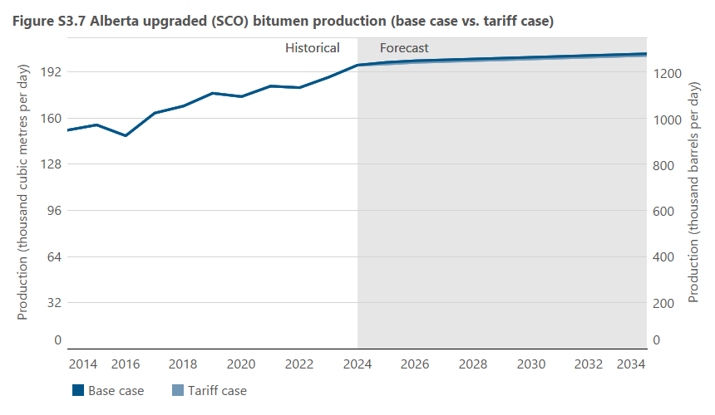
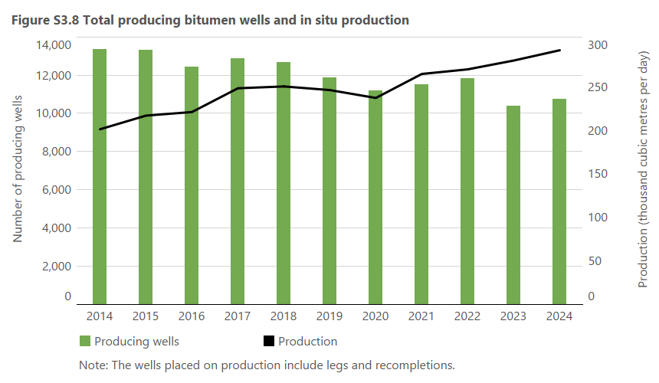
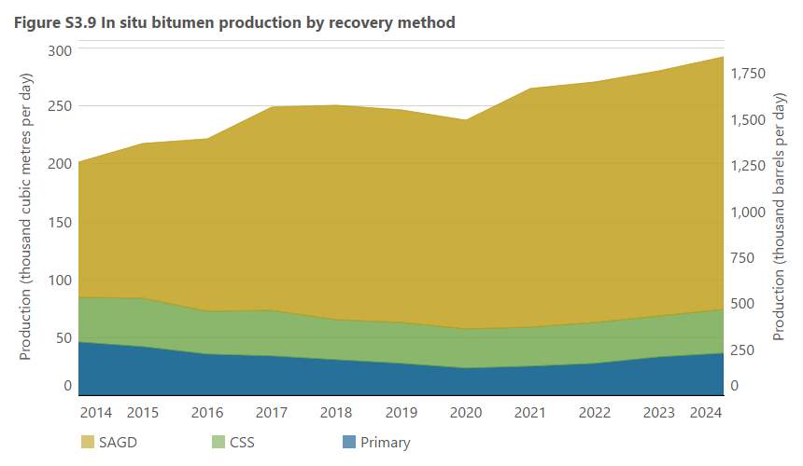
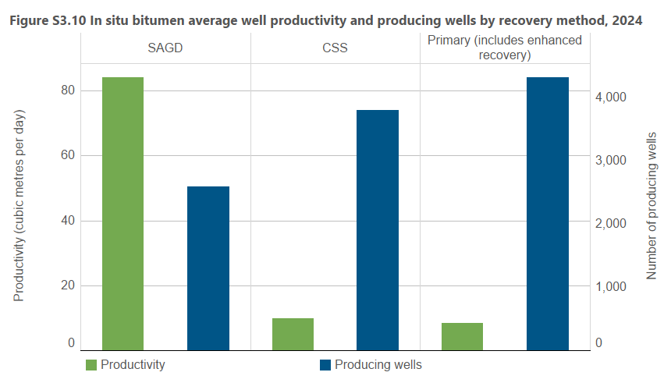
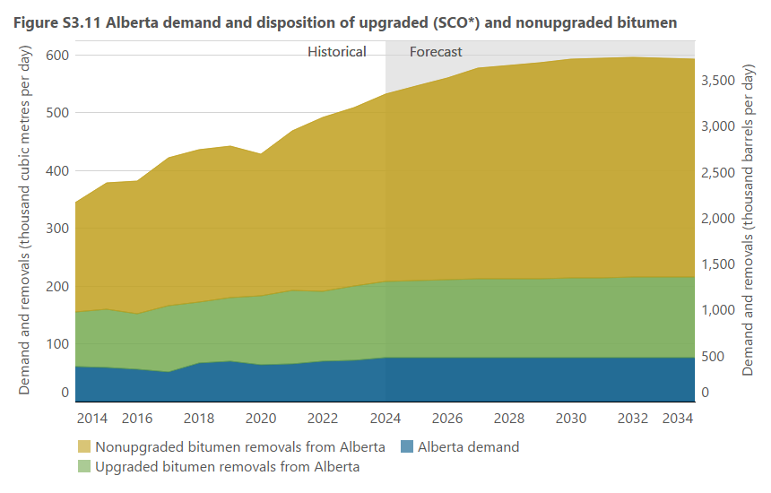
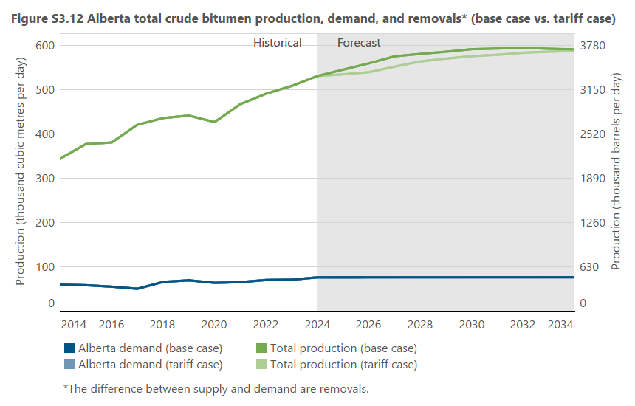

actual
actual
forecast

Figure S3.1 |  |  |  |  |  |  | Figure S3.2 |  |  |  |  | Figure S3.3 |  |  |  |  | Figure S3.4 |  |  |  |  | Figure S3.5 |  |  |  |  | Figure S3.6 |  |  | Figure S3.7 |  |  |  |  | Figure S3.8 |  |  | Figure S3.9 |  |  |  |  |  |  | Figure S3.10 |  |  |  | Figure S3.11 |  |  |  |  |  |  | Figure S3.12
 |  |  |  |  |  |  |  |  |  |  |  |  |  |  |  |  |  |  |  |  |  |  |  |  |  |  |  |  |  |  |  |  |  |  | Year |  |  | Year |  |  |  |  |  |  |  |  |  |  | Year
Year | Cold Lake | Athabasca | Peace River | Cold Lake | Athabasca | Peace River | Year | Total production (base case) | Total production (tariff case) | Total production (base case) | Total production (tariff case) | Year | In situ | Surface mining | In situ | Surface mining | Year | Production (base case ) | Production (tariff case ) | Production (base case ) | Production (tariff case ) | Year | Production (base case ) | Production (tariff case ) | Production (base case ) | Production (tariff case ) | Year | Upgraded bitumen | Upgraded bitumen | Year | Production (base case ) | Production (tariff case ) | Production (base case ) | Production (tariff case ) |  | Production | Producing wells |  | Primary (includes enhanced recovery) | CSS | SAGD (includes experimental) | Primary (includes enhanced recovery) | CSS | SAGD (includes experimental) | 2024 | SAGD | CSS | Primary (including enhanced recovery) |  | Alberta demand | Upgraded bitumen removals from Alberta | Nonupgraded bitumen removals | Alberta demand | Upgraded bitumen removals from Alberta | Nonupgraded bitumen removals | Year | Production (base case ) | Production (tariff case ) | Alberta demand (base case ) | Alberta demand (tariff case ) | Production (base case ) | Production (tariff case ) | Alberta demand (base case ) | Alberta demand (tariff case )
 | (103 m3/d) | (103 m3/d) | (103 m3/d) | (103 bbl/d) | (103 bbl/d) | (103 bbl/d) |  | (103 m3/d) | (103 m3/d) | (103 bbl/d) | (103 bbl/d) |  | (103 m3/d) | (103 m3/d) | (103 bbl/d) | (103 bbl/d) |  | (103 m3/d) | (103 m3/d) | (103 bbl/d) | (103 bbl/d) |  | (103 m3/d) | (103 m3/d) | (103 bbl/d) | (103 bbl/d) |  | (103 m3/d) | (103 bbl/d) |  | (103 m3/d) | (103 m3/d) | (103 bbl/d) | (103 bbl/d) |  | (103 m3/d) | Number of wells |  | (103 m3/d) | (103 m3/d) | (103 m3/d) | (103 bbl/d) | (103 bbl/d) | (103 bbl/d) | Cubic metres per day | 84.2 | 9.7 | 8.5 |  | (103 m3/d) | (103 m3/d) | (103 m3/d) | (103 bbl/d) | (103 bbl/d) | (103 bbl/d) |  | (103 m3/d) | (103 m3/d) | (103 m3/d) | (103 m3/d) | (103 bbl/d) | (103 bbl/d) | (103 bbl/d) | (103 bbl/d)
1998 | 39.2 | 63.6 | 1.1 | 246.7 | 400.2 | 6.9 | 1998 | 103.8 | 103.8 | 653.2 | 653.2 | 1998 | 45.7 | 58.1 | 287.6 | 365.6 | 1998 | 58.1 | 58.1 | 365.6 | 365.6 | 1998 | 45.7 | 45.7 | 287.6 | 287.6 | 1998 | 49.0 | 308.4 | 1998 | 49.0 | 49.0 | 308.4 | 308.4 | 1990 | 21.5 | 2337 | 1998 | 16.1 | 29.4 | 0.0 | 101.3 | 185.0 | 0.0 | Number of wells | 2591 | 3813 | 4333 | 1998 | 31.3 | 20.3 | 43.2 | 197.0 | 127.8 | 271.9 | 1998 | 94.8 | 94.8 | 31.3 | 31.3 | 596.6 | 596.6 | 197.0 | 197.0
1999 | 36.0 | 69.3 | 1.0 | 226.5 | 436.1 | 6.3 | 1999 | 106.2 | 106.2 | 668.3 | 668.3 | 1999 | 42.1 | 64.1 | 264.9 | 403.4 | 1999 | 64.1 | 64.1 | 403.4 | 403.4 | 1999 | 42.1 | 42.1 | 264.9 | 264.9 | 1999 | 51.4 | 323.5 | 1999 | 51.4 | 51.4 | 323.5 | 323.5 | 1991 | 19.5 | 2333 | 1999 | 13.6 | 27.9 | 0.0 | 85.6 | 175.6 | 0.0 | Any discrepancies are due to rounding. |  |  |  | 1999 | 29.9 | 24.0 | 39.6 | 188.2 | 151.0 | 249.2 | 1999 | 93.5 | 93.5 | 29.9 | 29.9 | 588.4 | 588.4 | 188.2 | 188.2
2000 | 37.6 | 67.8 | 0.7 | 236.6 | 426.7 | 4.4 | 2000 | 106.1 | 106.1 | 667.7 | 667.7 | 2000 | 45.7 | 60.4 | 287.6 | 380.1 | 2000 | 60.4 | 60.4 | 380.1 | 380.1 | 2000 | 45.7 | 45.7 | 287.6 | 287.6 | 2000 | 50.9 | 320.3 | 2000 | 50.9 | 50.9 | 320.3 | 320.3 | 1992 | 20.1 | 2344 | 2000 | 19.1 | 25.8 | 0.0 | 120.2 | 162.4 | 0.0 |  |  |  |  | 2000 | 32.8 | 20.4 | 43.5 | 206.4 | 128.4 | 273.7 | 2000 | 96.7 | 96.7 | 32.8 | 32.8 | 608.5 | 608.5 | 206.4 | 206.4
2001 | 39.3 | 75.2 | 0.7 | 247.3 | 473.2 | 4.4 | 2001 | 115.2 | 115.2 | 724.9 | 724.9 | 2001 | 47.8 | 67.4 | 300.8 | 424.1 | 2001 | 67.4 | 67.4 | 424.1 | 424.1 | 2001 | 47.8 | 47.8 | 300.8 | 300.8 | 2001 | 55.5 | 349.3 | 2001 | 55.5 | 55.5 | 349.3 | 349.3 | 1993 | 21.1 | 2594 | 2001 | 18.7 | 28.0 | 0.1 | 117.7 | 176.2 | 0.6 |  |  |  |  | 2001 | 33.5 | 24.4 | 45.3 | 210.8 | 153.6 | 285.1 | 2001 | 103.2 | 103.2 | 33.5 | 33.5 | 649.4 | 649.4 | 210.8 | 210.8
2002 | 36.1 | 96.3 | 1.6 | 227.2 | 606.0 | 10.1 | 2002 | 133.9 | 133.9 | 842.6 | 842.6 | 2002 | 48.1 | 85.8 | 302.7 | 539.9 | 2002 | 85.8 | 85.8 | 539.9 | 539.9 | 2002 | 48.1 | 48.1 | 302.7 | 302.7 | 2002 | 70.1 | 441.1 | 2002 | 70.1 | 70.1 | 441.1 | 441.1 | 1994 | 21.4 | 2662 | 2002 | 18.6 | 25.9 | 3.3 | 117.1 | 163.0 | 20.8 |  |  |  |  | 2002 | 33.6 | 38.9 | 45.7 | 211.4 | 244.8 | 287.6 | 2002 | 118.2 | 118.2 | 33.6 | 33.6 | 743.8 | 743.8 | 211.4 | 211.4
2003 | 40.4 | 110.1 | 2.0 | 254.2 | 692.9 | 12.6 | 2003 | 152.4 | 152.4 | 959.0 | 959.0 | 2003 | 55.5 | 96.9 | 349.3 | 609.8 | 2003 | 96.9 | 96.9 | 609.8 | 609.8 | 2003 | 55.5 | 55.5 | 349.3 | 349.3 | 2003 | 80.9 | 509.1 | 2003 | 80.9 | 80.9 | 509.1 | 509.1 | 1995 | 23.8 | 3088 | 2003 | 19.8 | 28.7 | 6.7 | 124.6 | 180.6 | 42.2 |  |  |  |  | 2003 | 36.7 | 47.8 | 51.8 | 231.0 | 300.8 | 326.0 | 2003 | 136.3 | 136.3 | 36.7 | 36.7 | 857.7 | 857.7 | 231.0 | 231.0
2004 | 40.9 | 129.3 | 2.5 | 257.4 | 813.7 | 15.7 | 2004 | 172.7 | 172.7 | 1086.8 | 1086.8 | 2004 | 61.0 | 111.7 | 383.9 | 702.9 | 2004 | 111.7 | 111.7 | 702.9 | 702.9 | 2004 | 61.0 | 61.0 | 383.9 | 383.9 | 2004 | 95.2 | 599.1 | 2004 | 95.2 | 95.2 | 599.1 | 599.1 | 1996 | 26.3 | 3879 | 2004 | 20.7 | 28.9 | 11.1 | 130.3 | 181.9 | 69.9 |  |  |  |  | 2004 | 40.7 | 57.7 | 57.2 | 256.1 | 363.1 | 360.0 | 2004 | 155.6 | 155.6 | 40.7 | 40.7 | 979.2 | 979.2 | 256.1 | 256.1
2005 | 44.5 | 120.9 | 3.9 | 280.0 | 760.8 | 24.5 | 2005 | 169.3 | 169.3 | 1065.4 | 1065.4 | 2005 | 69.7 | 99.6 | 438.6 | 626.8 | 2005 | 99.6 | 99.6 | 626.8 | 626.8 | 2005 | 69.7 | 69.7 | 438.6 | 438.6 | 2005 | 86.9 | 546.9 | 2005 | 86.9 | 86.9 | 546.9 | 546.9 | 1997 | 38.4 | 5053 | 2005 | 23.8 | 32.4 | 13.2 | 149.8 | 203.9 | 83.1 |  |  |  |  | 2005 | 38.8 | 51.7 | 65.2 | 244.2 | 325.3 | 410.3 | 2005 | 155.7 | 155.7 | 38.8 | 38.8 | 979.8 | 979.8 | 244.2 | 244.2
2006 | 47.6 | 147.4 | 4.3 | 299.5 | 927.6 | 27.1 | 2006 | 199.4 | 199.4 | 1254.8 | 1254.8 | 2006 | 78.5 | 120.9 | 494.0 | 760.8 | 2006 | 120.9 | 120.9 | 760.8 | 760.8 | 2006 | 78.5 | 78.5 | 494.0 | 494.0 | 2006 | 104.6 | 658.2 | 2006 | 104.6 | 104.6 | 658.2 | 658.2 | 1998 | 45.7 | 4722 | 2006 | 25.2 | 35.8 | 17.0 | 158.6 | 225.3 | 107.0 |  |  |  |  | 2006 | 41.7 | 66.1 | 71.2 | 262.4 | 416.0 | 448.1 | 2006 | 179.0 | 179.0 | 41.7 | 41.7 | 1126.4 | 1126.4 | 262.4 | 262.4
2007 | 50.0 | 154.1 | 5.8 | 314.7 | 969.7 | 36.5 | 2007 | 209.9 | 209.9 | 1320.9 | 1320.9 | 2007 | 85.2 | 124.7 | 536.2 | 784.7 | 2007 | 124.7 | 124.7 | 784.7 | 784.7 | 2007 | 85.2 | 85.2 | 536.2 | 536.2 | 2007 | 109.3 | 687.8 | 2007 | 109.3 | 109.3 | 687.8 | 687.8 | 1999 | 42.1 | 5051 | 2007 | 29.0 | 36.6 | 19.5 | 182.5 | 230.3 | 122.7 |  |  |  |  | 2007 | 44.1 | 68.5 | 76.9 | 277.5 | 431.1 | 483.9 | 2007 | 189.5 | 189.5 | 44.1 | 44.1 | 1192.5 | 1192.5 | 277.5 | 277.5
2008 | 49.4 | 151.6 | 6.4 | 310.9 | 954.0 | 40.3 | 2008 | 207.4 | 207.4 | 1305.2 | 1305.2 | 2008 | 92.7 | 114.7 | 583.4 | 721.8 | 2008 | 114.7 | 114.7 | 721.8 | 721.8 | 2008 | 92.7 | 92.7 | 583.4 | 583.4 | 2008 | 103.9 | 653.8 | 2008 | 103.9 | 103.9 | 653.8 | 653.8 | 2000 | 45.7 | 5792 | 2008 | 29.6 | 35.4 | 27.6 | 186.3 | 222.8 | 173.7 |  |  |  |  | 2008 | 39.1 | 68.0 | 84.3 | 246.1 | 427.9 | 530.5 | 2008 | 191.4 | 191.4 | 39.1 | 39.1 | 1204.5 | 1204.5 | 246.1 | 246.1
2009 | 50.4 | 179.1 | 7.2 | 317.2 | 1127.1 | 45.3 | 2009 | 236.7 | 236.7 | 1489.5 | 1489.5 | 2009 | 105.5 | 131.2 | 663.9 | 825.6 | 2009 | 131.2 | 131.2 | 825.6 | 825.6 | 2009 | 105.5 | 105.5 | 663.9 | 663.9 | 2009 | 121.7 | 765.9 | 2009 | 121.7 | 121.7 | 765.9 | 765.9 | 2001 | 47.8 | 6000 | 2009 | 32.3 | 34.0 | 38.4 | 203.3 | 214.0 | 241.7 |  |  |  |  | 2009 | 44.4 | 79.6 | 88.2 | 279.4 | 500.9 | 555.0 | 2009 | 212.2 | 212.2 | 44.4 | 44.4 | 1335.4 | 1335.4 | 279.4 | 279.4
2010 | 54.6 | 195.3 | 6.4 | 343.6 | 1229.0 | 40.3 | 2010 | 256.3 | 256.3 | 1612.9 | 1612.9 | 2010 | 120.1 | 136.2 | 755.8 | 857.1 | 2010 | 136.2 | 136.2 | 857.1 | 857.1 | 2010 | 120.1 | 120.1 | 755.8 | 755.8 | 2010 | 126.3 | 794.8 | 2010 | 126.3 | 126.3 | 794.8 | 794.8 | 2002 | 48.1 | 6570 | 2010 | 30.9 | 38.8 | 50.5 | 194.5 | 244.2 | 317.8 |  |  |  |  | 2010 | 50.8 | 77.9 | 105.6 | 319.7 | 490.2 | 664.5 | 2010 | 234.3 | 234.3 | 50.8 | 50.8 | 1474.4 | 1474.4 | 319.7 | 319.7
2011 | 61.2 | 209.5 | 6.5 | 385.1 | 1318.4 | 40.9 | 2011 | 277.2 | 277.2 | 1744.4 | 1744.4 | 2011 | 135.4 | 141.8 | 852.1 | 892.3 | 2011 | 141.8 | 141.8 | 892.3 | 892.3 | 2011 | 135.4 | 135.4 | 852.1 | 852.1 | 2011 | 137.1 | 862.8 | 2011 | 137.1 | 137.1 | 862.8 | 862.8 | 2003 | 55.5 | 7378 | 2011 | 33.6 | 42.2 | 59.5 | 211.4 | 265.6 | 374.4 |  |  |  |  | 2011 | 54.2 | 85.2 | 118.8 | 341.1 | 536.2 | 747.6 | 2011 | 258.2 | 258.2 | 54.2 | 54.2 | 1624.8 | 1624.8 | 341.1 | 341.1
2012 | 62.7 | 234.8 | 8.0 | 394.6 | 1477.6 | 50.3 | 2012 | 305.5 | 305.5 | 1922.5 | 1922.5 | 2012 | 157.7 | 147.8 | 992.4 | 930.1 | 2012 | 147.8 | 147.8 | 930.1 | 930.1 | 2012 | 157.7 | 157.7 | 992.4 | 992.4 | 2012 | 145.2 | 913.7 | 2012 | 145.2 | 145.2 | 913.7 | 913.7 | 2004 | 61.0 | 7721 | 2012 | 39.0 | 41.2 | 77.4 | 245.4 | 259.3 | 487.1 |  |  |  |  | 2012 | 55.2 | 92.8 | 139.4 | 347.4 | 584.0 | 877.2 | 2012 | 287.4 | 287.4 | 55.2 | 55.2 | 1808.6 | 1808.6 | 347.4 | 347.4
2013 | 64.2 | 258.7 | 8.5 | 404.0 | 1628.0 | 53.5 | 2013 | 331.4 | 331.4 | 2085.5 | 2085.5 | 2013 | 176.2 | 155.2 | 1108.8 | 976.7 | 2013 | 155.2 | 155.2 | 976.7 | 976.7 | 2013 | 176.2 | 176.2 | 1108.8 | 1108.8 | 2013 | 148.8 | 936.4 | 2013 | 148.8 | 148.8 | 936.4 | 936.4 | 2005 | 69.7 | 8019 | 2013 | 43.7 | 40.1 | 92.4 | 275.0 | 252.4 | 581.5 |  |  |  |  | 2013 | 55.5 | 96.4 | 157.8 | 349.3 | 606.6 | 993.0 | 2013 | 309.7 | 309.7 | 55.5 | 55.5 | 1948.9 | 1948.9 | 349.3 | 349.3
2014 | 63.3 | 294.2 | 8.6 | 398.3 | 1851.5 | 54.1 | 2014 | 366.3 | 366.3 | 2305.1 | 2305.1 | 2014 | 201.2 | 165.1 | 1266.1 | 1039.0 | 2014 | 165.1 | 165.1 | 1039.0 | 1039.0 | 2014 | 201.2 | 201.2 | 1266.1 | 1266.1 | 2014 | 151.6 | 954.0 | 2014 | 151.6 | 151.6 | 954.0 | 954.0 | 2006 | 78.5 | 8469 | 2014 | 46.0 | 38.6 | 116.6 | 289.5 | 242.9 | 733.8 |  |  |  |  | 2014 | 59.9 | 95.4 | 188.9 | 376.9 | 600.3 | 1188.7 | 2014 | 344.2 | 344.2 | 59.9 | 59.9 | 2166.0 | 2166.0 | 376.9 | 376.9
2015 | 65.8 | 328.3 | 7.4 | 414.1 | 2066.0 | 46.6 | 2015 | 401.6 | 401.6 | 2527.2 | 2527.2 | 2015 | 216.9 | 184.7 | 1364.9 | 1162.3 | 2015 | 184.7 | 184.7 | 1162.3 | 1162.3 | 2015 | 216.9 | 216.9 | 1364.9 | 1364.9 | 2015 | 155.2 | 976.7 | 2015 | 155.2 | 155.2 | 976.7 | 976.7 | 2007 | 85.2 | 8908 | 2015 | 41.6 | 41.9 | 133.4 | 261.8 | 263.7 | 839.5 |  |  |  |  | 2015 | 58.6 | 100.5 | 218.4 | 368.8 | 632.4 | 1374.4 | 2015 | 377.5 | 377.5 | 58.6 | 58.6 | 2375.6 | 2375.6 | 368.8 | 368.8
2016 | 59.2 | 338.1 | 6.5 | 372.5 | 2127.4 | 40.9 | 2016 | 403.3 | 403.3 | 2537.9 | 2537.9 | 2016 | 221.0 | 182.3 | 1390.7 | 1147.2 | 2016 | 182.3 | 182.3 | 1147.2 | 1147.2 | 2016 | 221.0 | 221.0 | 1390.7 | 1390.7 | 2016 | 147.7 | 929.5 | 2016 | 147.7 | 147.7 | 929.5 | 929.5 | 2008 | 92.7 | 9689 | 2016 | 35.1 | 37.6 | 148.3 | 220.9 | 236.6 | 933.2 |  |  |  |  | 2016 | 55.3 | 96.0 | 229.5 | 348.0 | 604.1 | 1444.2 | 2016 | 380.8 | 380.8 | 55.3 | 55.3 | 2396.3 | 2396.3 | 348.0 | 348.0
2017 | 59.3 | 383.9 | 7.8 | 373.2 | 2416.0 | 49.1 | 2017 | 451.1 | 451.1 | 2838.7 | 2838.7 | 2017 | 248.3 | 202.8 | 1562.5 | 1276.2 | 2017 | 202.8 | 202.8 | 1276.2 | 1276.2 | 2017 | 248.3 | 248.3 | 1562.5 | 1562.5 | 2017 | 163.4 | 1028.3 | 2017 | 163.4 | 163.4 | 1028.3 | 1028.3 | 2009 | 105.5 | 9709 | 2017 | 33.9 | 39.1 | 175.3 | 213.3 | 246.1 | 1103.2 |  |  |  |  | 2017 | 50.6 | 115.5 | 254.9 | 318.4 | 726.8 | 1604.1 | 2017 | 421.0 | 421.0 | 50.6 | 50.6 | 2649.3 | 2649.3 | 318.4 | 318.4
2018 | 54.7 | 424.4 | 5.3 | 344.2 | 2670.6 | 33.4 | 2018 | 484.5 | 484.5 | 3048.9 | 3048.9 | 2018 | 250.4 | 234.1 | 1575.7 | 1473.2 | 2018 | 234.1 | 234.1 | 1473.2 | 1473.2 | 2018 | 250.4 | 250.4 | 1575.7 | 1575.7 | 2018 | 168.3 | 1059.1 | 2018 | 168.3 | 168.3 | 1059.1 | 1059.1 | 2010 | 120.1 | 10060 | 2018 | 30.2 | 34.6 | 185.6 | 190.1 | 217.7 | 1168.0 |  |  |  |  | 2018 | 66.1 | 105.8 | 264.2 | 415.8 | 665.9 | 1662.7 | 2018 | 436.1 | 436.1 | 66.1 | 66.1 | 2744.3 | 2744.3 | 415.8 | 415.8
2019 | 55.3 | 431.9 | 4.8 | 347.7 | 2718.0 | 30.2 | 2019 | 492.8 | 492.8 | 3101.0 | 3101.0 | 2019 | 246.2 | 246.6 | 1549.4 | 1551.5 | 2019 | 246.6 | 246.6 | 1551.5 | 1551.5 | 2019 | 246.2 | 246.2 | 1549.4 | 1549.4 | 2019 | 177.2 | 1114.8 | 2019 | 177.2 | 177.2 | 1114.8 | 1114.8 | 2011 | 135.4 | 10964 | 2019 | 27.5 | 35.2 | 183.6 | 173.0 | 221.4 | 1155.1 |  |  |  |  | 2019 | 69.6 | 110.7 | 261.4 | 438.2 | 696.5 | 1644.8 | 2019 | 441.7 | 441.7 | 69.6 | 69.6 | 2779.5 | 2779.5 | 438.2 | 438.2
2020 | 50.3 | 419.8 | 3.5 | 316.5 | 2641.8 | 21.7 | 2020 | 473.7 | 473.7 | 2980.6 | 2980.6 | 2020 | 237.2 | 236.5 | 1492.5 | 1488.1 | 2020 | 236.5 | 236.5 | 1488.1 | 1488.1 | 2020 | 237.2 | 237.2 | 1492.5 | 1492.5 | 2020 | 174.8 | 1100.1 | 2020 | 174.8 | 174.8 | 1100.1 | 1100.1 | 2012 | 157.7 | 11518 | 2020 | 23.5 | 34.0 | 179.7 | 147.7 | 213.9 | 1131.0 |  |  |  |  | 2020 | 64.0 | 119.1 | 243.9 | 402.5 | 749.4 | 1534.7 | 2020 | 426.9 | 426.9 | 64.0 | 64.0 | 2686.5 | 2686.5 | 402.5 | 402.5
2021 | 49.5 | 464.2 | 3.6 | 311.3 | 2921.0 | 22.9 | 2021 | 517.6 | 517.6 | 3257.4 | 3257.4 | 2021 | 264.6 | 253.0 | 1665.0 | 1592.4 | 2021 | 253.0 | 253.0 | 1592.4 | 1592.4 | 2021 | 264.6 | 264.6 | 1665.0 | 1665.0 | 2021 | 182.1 | 1145.6 | 2021 | 182.1 | 182.1 | 1145.6 | 1145.6 | 2013 | 176.2 | 12401 | 2021 | 24.8 | 34.1 | 205.8 | 156.0 | 214.7 | 1295.3 |  |  |  |  | 2021 | 65.5 | 127.3 | 274.7 | 412.3 | 801.0 | 1728.7 | 2021 | 467.5 | 467.5 | 65.5 | 65.5 | 2942.1 | 2942.1 | 412.3 | 412.3
2022 | 49.7 | 471.5 | 4.8 | 312.6 | 2967.2 | 30.0 | 2022 | 527.1 | 527.1 | 3317.1 | 3317.1 | 2022 | 270.0 | 257.1 | 1699.3 | 1617.7 | 2022 | 257.1 | 257.1 | 1617.7 | 1617.7 | 2022 | 270.0 | 270.0 | 1699.3 | 1699.3 | 2022 | 181.0 | 1139.1 | 2022 | 181.0 | 181.0 | 1139.1 | 1139.1 | 2014 | 201.2 | 13359 | 2022 | 27.7 | 35.0 | 207.3 | 174.4 | 220.1 | 1305.1 |  |  |  |  | 2022 | 70.4 | 120.3 | 300.3 | 442.8 | 757.2 | 1889.8 | 2022 | 491.0 | 491.0 | 70.4 | 70.4 | 3089.9 | 3089.9 | 442.8 | 442.8
2023 | 52.6 | 482.1 | 7.1 | 331.3 | 3033.8 | 44.9 | 2023 | 542.1 | 542.1 | 3411.1 | 3411.1 | 2023 | 280.2 | 261.9 | 1763.0 | 1648.1 | 2023 | 261.9 | 261.9 | 1648.1 | 1648.1 | 2023 | 280.2 | 280.2 | 1763.0 | 1763.0 | 2023 | 188.2 | 1184.3 | 2023 | 188.2 | 188.2 | 1184.3 | 1184.3 | 2015 | 216.9 | 13300 | 2023 | 33.2 | 35.5 | 211.4 | 208.8 | 223.2 | 1330.1 |  |  |  |  | 2023 | 71.0 | 128.9 | 308.8 | 446.5 | 811.3 | 1943.3 | 2023 | 508.7 | 508.7 | 71.0 | 71.0 | 3201.0 | 3201.0 | 446.5 | 446.5
2024 | 57.2 | 499.5 | 8.7 | 359.8 | 3143.6 | 54.6 | 2024 | 565.4 | 565.4 | 3557.8 | 3557.8 | 2024 | 292.0 | 273.4 | 1837.3 | 1720.5 | 2024 | 273.4 | 273.4 | 1720.5 | 1720.5 | 2024 | 292.0 | 292.0 | 1837.3 | 1837.3 | 2024 | 196.6 | 1237.2 | 2024 | 196.6 | 196.6 | 1237.2 | 1237.2 | 2016 | 221.0 | 12443 | 2024 | 36.6 | 37.2 | 218.2 | 230.3 | 233.8 | 1373.2 |  |  |  |  | 2024 | 76.3 | 131.7 | 323.1 | 480.0 | 828.6 | 2033.4 | 2024 | 531.1 | 531.1 | 76.3 | 76.3 | 3342.0 | 3342.0 | 480.0 | 480.0
2025 | 60.8 | 520.0 | 8.9 | 382.9 | 3272.6 | 56.2 | 2025 | 589.9 | 578.6 | 3712.2 | 3640.8 | 2025 | 309.4 | 280.5 | 1947.2 | 1765.0 | 2025 | 280.5 | 276.5 | 1765.0 | 1740.2 | 2025 | 309.4 | 302.0 | 1947.2 | 1900.7 | 2025 | 198.5 | 1249.3 | 2025 | 198.5 | 197.4 | 1249.3 | 1242.2 | 2017 | 248.3 | 12859 | Any discrepancies are due to rounding. |  |  |  |  |  |  |  |  |  |  | 2025 | 76.3 | 133.5 | 335.7 | 480.3 | 840.3 | 2112.4 | 2025 | 545.5 | 534.9 | 76.3 | 75.2 | 3433.0 | 3366.1 | 480.3 | 473.5
2026 | 59.1 | 535.3 | 9.1 | 372.0 | 3368.8 | 57.5 | 2026 | 604.0 | 583.8 | 3801.1 | 3673.7 | 2026 | 323.4 | 280.6 | 2035.3 | 1765.9 | 2026 | 280.6 | 276.7 | 1765.9 | 1741.1 | 2026 | 323.4 | 307.1 | 2035.3 | 1932.6 | 2026 | 199.6 | 1256.3 | 2026 | 199.6 | 198.5 | 1256.3 | 1249.3 | 2018 | 250.4 | 12646 | (103 m3/d) = thousand cubic metres per day. |  |  |  |  |  |  |  |  |  |  | 2026 | 76.4 | 134.6 | 348.7 | 480.6 | 847.2 | 2194.4 | 2026 | 559.7 | 539.7 | 76.4 | 76.3 | 3522.1 | 3396.4 | 480.6 | 480.4
2027 | 59.9 | 549.4 | 9.1 | 377.1 | 3457.4 | 57.5 | 2027 | 618.6 | 597.4 | 3892.9 | 3759.6 | 2027 | 338.0 | 280.6 | 2127.0 | 1765.9 | 2027 | 280.6 | 278.1 | 1765.9 | 1749.9 | 2027 | 338.0 | 319.4 | 2127.0 | 2009.7 | 2027 | 200.2 | 1260.1 | 2027 | 200.2 | 199.1 | 1260.1 | 1253.0 | 2019 | 246.2 | 11847 | (103 bbl/d) = thousand barrels per day. |  |  |  |  |  |  |  |  |  |  | 2027 | 76.4 | 135.2 | 364.1 | 480.7 | 850.8 | 2291.1 | 2027 | 575.7 | 552.3 | 76.4 | 76.4 | 3622.6 | 3475.8 | 480.7 | 480.7
2028 | 60.8 | 556.0 | 9.0 | 382.6 | 3498.9 | 56.8 | 2028 | 626.3 | 609.8 | 3941.2 | 3837.5 | 2028 | 344.6 | 281.7 | 2168.3 | 1772.9 | 2028 | 281.7 | 279.7 | 1772.9 | 1759.9 | 2028 | 344.6 | 330.1 | 2168.3 | 2077.5 | 2028 | 200.8 | 1263.9 | 2028 | 200.8 | 199.7 | 1263.9 | 1256.8 | 2020 | 237.2 | 11177 |  |  |  |  |  |  |  |  |  |  |  | 2028 | 76.4 | 135.8 | 368.9 | 480.8 | 854.5 | 2321.2 | 2028 | 581.1 | 564.0 | 76.4 | 76.4 | 3656.5 | 3549.1 | 480.8 | 480.8
2029 | 60.9 | 561.2 | 8.8 | 383.4 | 3531.8 | 55.4 | 2029 | 630.9 | 617.3 | 3970.1 | 3884.7 | 2029 | 347.5 | 283.4 | 2186.9 | 1783.2 | 2029 | 283.4 | 282.2 | 1783.2 | 1776.1 | 2029 | 347.5 | 335.1 | 2186.9 | 2108.6 | 2029 | 201.4 | 1267.6 | 2029 | 201.4 | 200.3 | 1267.6 | 1260.5 | 2021 | 264.7 | 11492 |  |  |  |  |  |  |  |  |  |  |  | 2029 | 76.4 | 136.4 | 373.2 | 480.8 | 858.2 | 2348.5 | 2029 | 586.0 | 570.5 | 76.4 | 76.4 | 3687.6 | 3590.2 | 480.8 | 480.8
2030 | 61.4 | 566.9 | 8.6 | 386.5 | 3567.7 | 53.8 | 2030 | 636.4 | 622.7 | 4004.9 | 3918.5 | 2030 | 350.9 | 285.6 | 2207.9 | 1797.1 | 2030 | 285.6 | 284.3 | 1797.1 | 1789.0 | 2030 | 350.9 | 338.4 | 2207.9 | 2129.5 | 2030 | 202.0 | 1271.4 | 2030 | 202.0 | 200.9 | 1271.4 | 1264.3 | 2022 | 270.0 | 11830 |  |  |  |  |  |  |  |  |  |  |  | 2030 | 76.4 | 137.0 | 378.3 | 480.9 | 862.0 | 2380.7 | 2030 | 591.7 | 576.0 | 76.4 | 76.4 | 3723.6 | 3624.4 | 480.9 | 480.9
2031 | 60.9 | 569.9 | 8.3 | 383.5 | 3586.3 | 52.2 | 2031 | 639.4 | 625.7 | 4023.5 | 3937.4 | 2031 | 352.1 | 287.3 | 2215.7 | 1807.8 | 2031 | 287.3 | 285.9 | 1807.8 | 1798.8 | 2031 | 352.1 | 339.8 | 2215.7 | 2138.6 | 2031 | 202.7 | 1275.3 | 2031 | 202.7 | 201.5 | 1275.3 | 1268.2 | 2023 | 280.2 | 10368 |  |  |  |  |  |  |  |  |  |  |  | 2031 | 76.4 | 137.6 | 379.2 | 481.0 | 865.7 | 2386.2 | 2031 | 593.2 | 579.0 | 76.4 | 76.4 | 3732.9 | 3643.7 | 481.0 | 481.0
2032 | 60.5 | 573.7 | 8.0 | 380.5 | 3610.1 | 50.5 | 2032 | 642.2 | 630.4 | 4041.5 | 3966.9 | 2032 | 354.1 | 288.1 | 2228.4 | 1813.1 | 2032 | 288.1 | 286.6 | 1813.1 | 1803.7 | 2032 | 354.1 | 343.7 | 2228.4 | 2163.1 | 2032 | 203.3 | 1279.1 | 2032 | 203.3 | 202.1 | 1279.1 | 1271.9 | 2024 | 292.0 | 10737 |  |  |  |  |  |  |  |  |  |  |  | 2032 | 76.4 | 138.2 | 380.0 | 481.0 | 869.5 | 2391.6 | 2032 | 594.7 | 583.8 | 76.4 | 76.4 | 3742.1 | 3673.6 | 481.0 | 481.0
2033 | 60.0 | 575.3 | 7.7 | 377.8 | 3620.2 | 48.7 | 2033 | 643.0 | 632.6 | 4046.3 | 3980.6 | 2033 | 354.6 | 288.4 | 2231.2 | 1815.1 | 2033 | 288.4 | 287.0 | 1815.1 | 1805.8 | 2033 | 354.6 | 345.6 | 2231.2 | 2174.8 | 2033 | 203.9 | 1282.9 | 2033 | 203.9 | 202.7 | 1282.9 | 1275.8 | Any discrepancies are due to rounding. |  |  |  |  |  |  |  |  |  |  |  |  |  | 2033 | 76.5 | 138.8 | 377.5 | 481.1 | 873.2 | 2375.5 | 2033 | 592.7 | 586.0 | 76.5 | 76.5 | 3729.8 | 3687.7 | 481.1 | 481.1
2034 | 59.6 | 578.3 | 7.5 | 375.3 | 3639.4 | 47.1 | 2034 | 645.3 | 633.9 | 4060.6 | 3989.0 | 2034 | 356.5 | 288.8 | 2243.4 | 1817.1 | 2034 | 288.8 | 287.3 | 1817.1 | 1807.8 | 2034 | 356.5 | 346.6 | 2243.4 | 2181.2 | 2034 | 204.5 | 1286.8 | 2034 | 204.5 | 203.3 | 1286.8 | 1279.6 | Note: The wells placed on production include legs and recompletions. |  |  |  |  |  |  |  |  |  |  |  |  |  | 2034 | 76.5 | 139.4 | 375.4 | 481.2 | 877.0 | 2362.2 | 2034 | 591.2 | 587.7 | 76.5 | 76.5 | 3720.4 | 3698.0 | 481.2 | 481.2
Any discrepancies are due to rounding. |  |  |  |  |  |  | Any discrepancies are due to rounding. |  |  |  |  | Any discrepancies are due to rounding. |  |  |  |  | Any discrepancies are due to rounding. |  |  |  |  | Any discrepancies are due to rounding. |  |  |  |  | Any discrepancies are due to rounding. |  |  | Any discrepancies are due to rounding. |  |  |  |  | (103 m3/d) = thousand cubic metres per day. |  |  |  |  |  |  |  |  |  |  |  |  |  | Any discrepancies are due to rounding. |  |  |  |  |  |  | Any discrepancies are due to rounding.
(103 m3/d) = thousand cubic metres per day. |  |  |  |  |  |  | (103 m3/d) = thousand cubic metres per day. |  |  |  |  | (103 m3/d) = thousand cubic metres per day. |  |  |  |  | (103 m3/d) = thousand cubic metres per day. |  |  |  |  | (103 m3/d) = thousand cubic metres per day. |  |  |  |  | (103 m3/d) = thousand cubic metres per day. |  |  | (103 m3/d) = thousand cubic metres per day. |  |  |  |  |  |  |  |  |  |  |  |  |  |  |  |  |  |  | (103 m3/d) = thousand cubic metres per day. |  |  |  |  |  |  | (103 m3/d) = thousand cubic metres per day.
(103 bbl/d) = thousand barrels per day. |  |  |  |  |  |  | (103 bbl/d) = thousand barrels per day. |  |  |  |  | (103 bbl/d) = thousand barrels per day. |  |  |  |  | (103 bbl/d) = thousand barrels per day. |  |  |  |  | (103 bbl/d) = thousand barrels per day. |  |  |  |  | (103 bbl/d) = thousand barrels per day. |  |  | (103 bbl/d) = thousand barrels per day. |  |  |  |  |  |  |  |  |  |  |  |  |  |  |  |  |  |  | (103 bbl/d) = thousand barrels per day. |  |  |  |  |  |  | (103 bbl/d) = thousand barrels per day.

